HMC5883L
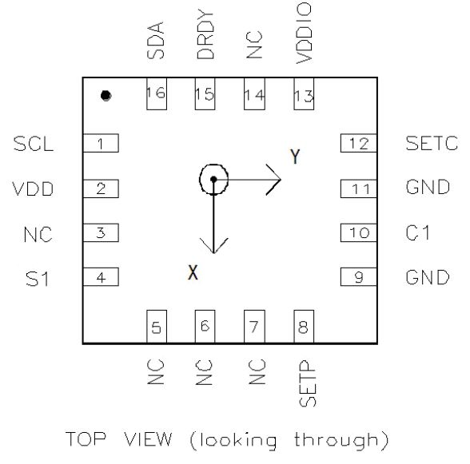
Pin | Name | I/O | Description | Special Instructions
1 | SCL | I | Serial Clock – I | I2C Master/Slave Clock
2 | VDD | I | Power Supply | 2.16V to 3.6V
3 | NC | - | Not to be connected | N/A
4 | S1 | I | Tie to VDD
5 | NC | - | Not to be connected | N/A
6 | NC | - | Not to be connected | N/A
7 | NC | - | Not to be connected | N/A
8 | SETP | I | Set/Reset Strap Positive | S/R Capacitor (C2) Connection
9 | GND | I | Ground | N/A
10 | C1 | I | Reservior Capacitor Connection
11 | GND | I | Ground | N/A
12 | SETC | I | Set/Reset Capacitor (C2) Connection | Driver Side
13 | VDD IO | I/O | IO Power Supply | 1.71V to VDD
14 | NC | - | Not to be connected | N/A
15 | DRDY | I | Data Ready, Interrupt Pin | Internally pulled high. Optional connection. Low for 250 µsec when data is placed in the data output registers.
16 | SDA | I/O | Serial Data | I2C Master/Slave Data

NEO -7P
Pin | Name | I/O | Description | Special Instructions
1 | Reserved | I | Reserved | N/A
2 | D_SEL | I | Interface select | Switch between I2C and SPI on device boot
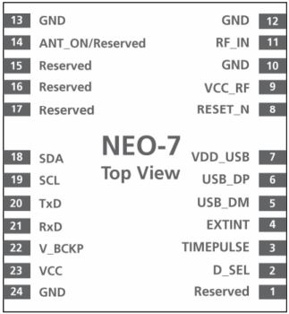
3 | TIMEPULSE | O | Time Pulse (1PPS) | Generates pulse trains synchronised with GPS time
4 | EXTINT | I | External Interrupt Pin
5 | USB_DM | I/O | USB Data
6 | USB_DP | I/O | USB Data
7 | VDD_RF | I | USB Supply | 3V to 3.6V
8 | RESET_N | I | RESET_N
9 | VCC_RF | O | Output Voltage RF section
10 | GND | I | Ground | N/A
11 | RF_IN | I | GNSS Signal Input
12 | GND | I | Ground | N/A
13 | GND | I | Ground | N/A
14 | ANT_ON | O | Antenna Control
15 | Reserved | - | Reserved | N/A
16 | Reserved | - | Reserved | N/A
17 | Reserved | - | Reserved | N/A
18 | SDA / SPI CS_N | I/O | DCC Data if D_SEL = 1 (or open) SPI Chip Select if D_SEL = 0
19 | SCL / SPI CLK | I/O | DCC Clock if D_SEL = 1 (or open) SPI Clock if D_SEL = 0
20 | TxD / SPI MISO | O | Serial Port if D_SEL = 1 (or open) SPI MISO if D_SEL = 0 | 9600 Baud
21 | RxD / SPI MOSI | I | Serial Port if D_SEL = 1 (or open) SPI MOSI if D_SEL = 0
22 | V_BCKP | I | Backup Voltage Supply | Provides power to keep RAM online 1.4V to 3.6V
23 | VCC | I | Supply Voltage | Internal DC/DC converter 2.7V to 3.6V
24 | GND | I | Ground | N/A

MCP23017
Pin | Name | I/O | Description | Special Instructions
1 | GPB0 | I/O | Bidirectional Input/Output pin | Can be enabled for interupt-on-change and/or internal weak pull-up resistor
2 | GPB1 | I/O | Bidirectional Input/Output pin | Can be enabled for interupt-on-change and/or internal weak pull-up resistor
3 | GPB2 | I/O | Bidirectional Input/Output pin | Can be enabled for interupt-on-change and/or internal weak pull-up resistor
4 | GPB3 | I/O | Bidirectional Input/Output pin | Can be enabled for interupt-on-change and/or internal weak pull-up resistor
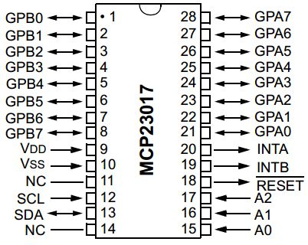
5 | GPB4 | I/O | Bidirectional Input/Output pin | Can be enabled for interupt-on-change and/or internal weak pull-up resistor
6 | GPB5 | I/O | Bidirectional Input/Output pin | Can be enabled for interupt-on-change and/or internal weak pull-up resistor
7 | GPB6 | I/O | Bidirectional Input/Output pin | Can be enabled for interupt-on-change and/or internal weak pull-up resistor
8 | GPB7 | I/O | Bidirectional Input/Output pin | Can be enabled for interupt-on-change and/or internal weak pull-up resistor
9 | VDD | I | Voltage Supply | 1.8V to 5.5V
10 | VSS | I | Ground | N/A
11 | NC | - | NC | N/A
12 | SCL | I | Serial Clock Input | N/A
13 | SDA | I/O | Serial Data Input/Output | N/A
14 | NC | - | NC | N/A
15 | A0 | I | Hardware Address Pin | Must be externally Biased
16 | A1 | I | Hardware Address Pin | Must be externally Biased
17 | A2 | I | Hardware Address Pin | Must be externally Biased
18 | RESET | O | Hardware Reset | Must be externally Biased
19 | INTB | O | Interupt Output for PORTB | Can be configured as active-high, active-low, or open-drain
20 | INTA | O | Interupt Output for PORTA | Can be configured as active-high, active-low, or open-drain
21 | GPA0 | I/O | Bidirectional Input/Output pin | Can be enabled for interupt-on-change and/or internal weak pull-up resistor
22 | GPA1 | I/O | Bidirectional Input/Output pin | Can be enabled for interupt-on-change and/or internal weak pull-up resistor
23 | GPA2 | I/O | Bidirectional Input/Output pin | Can be enabled for interupt-on-change and/or internal weak pull-up resistor
24 | GPA3 | I/O | Bidirectional Input/Output pin | Can be enabled for interupt-on-change and/or internal weak pull-up resistor
25 | GPA4 | I/O | Bidirectional Input/Output pin | Can be enabled for interupt-on-change and/or internal weak pull-up resistor
26 | GPA5 | I/O | Bidirectional Input/Output pin | Can be enabled for interupt-on-change and/or internal weak pull-up resistor
27 | GPA6 | I/O | Bidirectional Input/Output pin | Can be enabled for interupt-on-change and/or internal weak pull-up resistor
28 | GPA7 | I/O | Bidirectional Input/Output pin | Can be enabled for interupt-on-change and/or internal weak pull-up resistor

MCP3008 - IP
Pin | Name | I/O | Description | Special Instructions | Use
1 | CH0 | I | Analog Input | 0V to VREF | Wind Direction
2 | CH1 | I | Analog Input | 0V to VREF
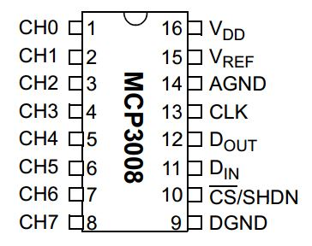
3 | CH2 | I | Analog Input | 0V to VREF
4 | CH3 | I | Analog Input | 0V to VREF
5 | CH4 | I | Analog Input | 0V to VREF
6 | CH5 | I | Analog Input | 0V to VREF
7 | CH6 | I | Analog Input | 0V to VREF
8 | CH7 | I | Analog Input | 0V to VREF
9 | DGND | I | Digital Ground | N/A
10 | CS/SHDN | I | Chip Selsct / Shutdown Input | Used to initiate communication Low to start, High to terminate
11 | DIN | I | Serial Data In | Used to load channel configuration data
12 | DOUT | O | Serial Data Out | Used to shift out the results of the A/D conversion
13 | CLK | I | Serial Clock | SPI Clock pin used to maintain comunication
14 | AGND | I | Analog Ground | N/A
15 | VREF | I | Reference Voltage Input | Determined the Analog input voltage range
16 | VDD | I | PowerSuppy | 2.7V to 5.5V

